About
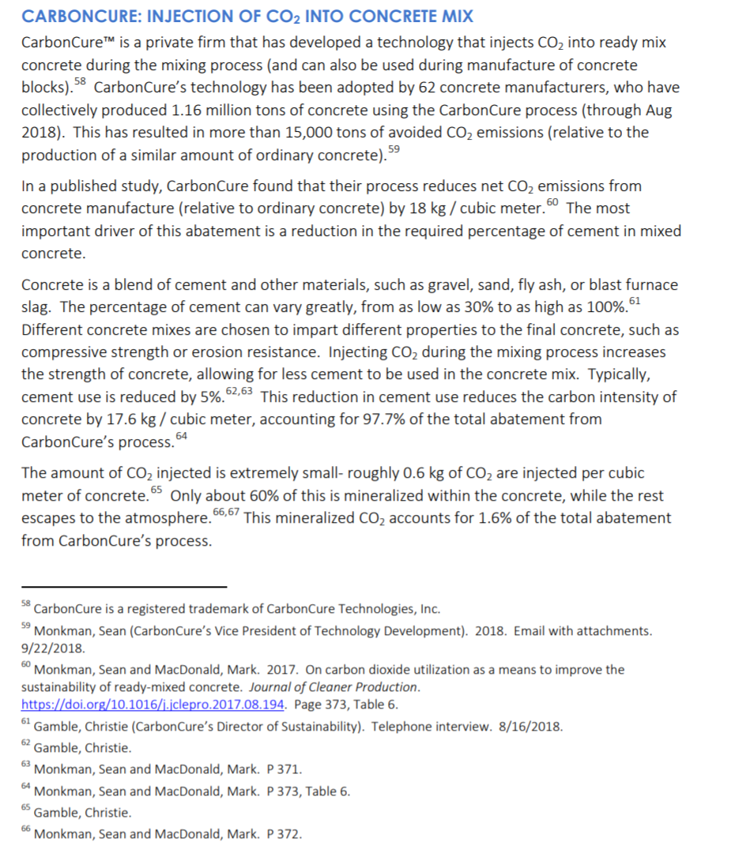
PERAC Potential Reductions in End Year Process Emissions by Policy
PERAC Potential Perc Reduction in End Year Proc Emis from Cement
PERAC Mass CO2e Avoidable by Marginal Cost

Sources: | Jeffrey Rissman, Energy Innovation
 | "The Role of Cement in a Carbon Neutral Future"
 | 2018 (November)
 | https://energyinnovation.org/wp-content/uploads/2018/11/The-Role-of-Cement-in-a-Carbon-Neutral-Future.pdf

 | Ramses Kools
 | "CO2 sequestration and utilization in cement based materials: An analysis on economic feasibility and environmental impact"
 | 2018 (July)
 | University of Amersterdam (thesis), UvA-ID: 10371826

 | Energy + Environmental Economics, Inc.
 | California Pathways model, 2030 Scoping Plan Analysis
 | September 2017 release
 | Model documentation: https://www.arb.ca.gov/cc/scopingplan/california_pathways_model_framework_jan2017.pdf
 | Discussion of model application for Scoping Plan: https://www.arb.ca.gov/cc/scopingplan/2030sp_appd_pathways_final.pdf
 | Model itself downloadable (as of July 26, 2018): https://www.arb.ca.gov/cc/scopingplan/pathways_arb_2.4.1_101917.zip

Notes: | Overview note
 | The only additional emission reductions included involve cement.
 | For background, data are also included for process emissions in the 2017 Scoping Plan Updated Reference case (roughly speaking involving policies put in place
 | to hit the 2020 target)
 | The 2017 Scoping Plan, "SP plus 60% RPS" scenario included rather ambitious reduction goals for these pollutants.

 | Details about estimating cost of cement option enabled in initial California model specification.
 | The cement mitigation option modeled is referred to as "carbon dioxide injection."
 | Regarding cement, the technical potential of the emission reduction opportunity
 | is explained in an excerpt from the main source (Rissman 2018), shown below.

 | "This reduction in cement use reduces the carbon intensity of concrete by 17.6 kg / cubic meter, accounting for 97.7% of the total abatement from CarbonCure’s process," per Rissman (2018)
 | This equates to a 5% reduction in process emissions due to the commensurate reduction in the clinker input needed.
 | More details below.

 | Research into cost and method used
 | A Canadian company has developed the technology, "CarbonCure." There is only this one provider.

 | Our efforts turned up only one research article evaluating the monetary effects of carbon dixoide injection,
 | namely Kools (2018). He concludes this option is a negative cost option, i.e. in the excerpt below from page 32
 | of his thesis:
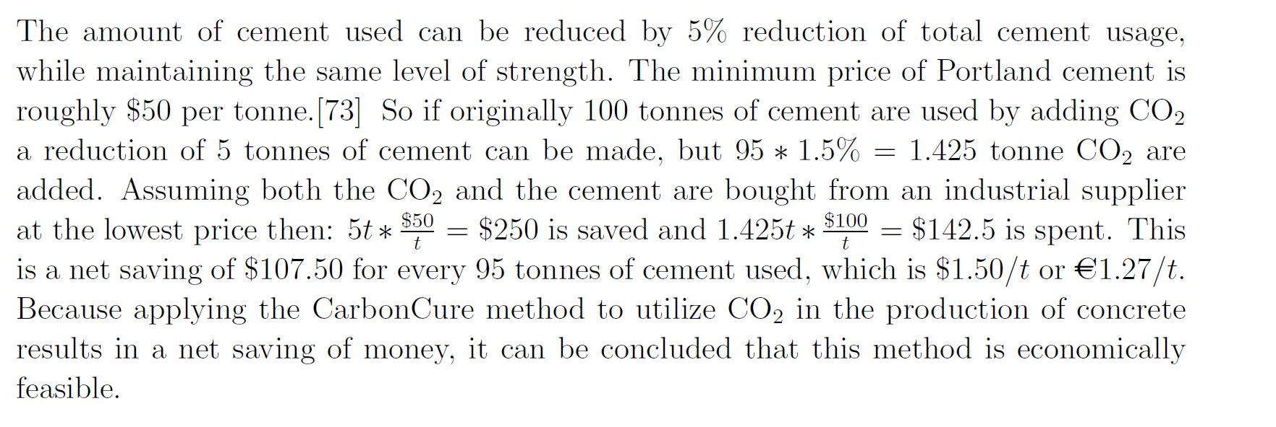

 | We found several other statements, in journalistic reporting or marketing materials, promoting the technology as a cost saving one:

 | 1
 | Cement industry trade industry article:
 | "Not only does this help the company achieve its sustainability objectives, the cost of CO2 relative to the cost of portland cement removed is significantly less."
 | Article source:
 | Concreteproducts.com
 | published in 2016

 | 2
 | Company marketing promises
 | (as covered in a Autodesk corporate sustainability newsletter)

 | Jennifer Wagner, CarbonCure’s executive vice president of corporate development, credits the company’s rapid growth to its value proposition.
 | “Many of the solutions in the space only provide environmental benefits,” she explains. “We provide environmental and economic benefits.
 | Even if a company isn’t concerned about climate change, they’re all looking to save money.” [emphasis added]
 | Article source:
 | https://www.autodesk.com/redshift/co2-capture/

 | Marketing materials
 | “We’ve made it simple and profitable for the construction industry to build resilient structures with lower CO₂ emissions.
 | Every tonne of CO₂ utilized in concrete production with the CarbonCure Technology results in a multiplier effect that saves an additional 28 tonnes of CO₂ of CarbonCure.
 | and over $3,100 in production efficiencies,” [emphsis added]explains Rob Niven, Founder & CEO

Rissman (2018) excerpt:

Pathways mitigation costs
NonGHG costs from reductions in the Scoping Plan
 | 2015 | 2016 | 2017 | 2018 | 2019 | 2020 | 2021 | 2022 | 2023 | 2024 | 2025 | 2026 | 2027 | 2028 | 2029 | 2030 | 2031 | 2032 | 2033 | 2034 | 2035 | 2036 | 2037 | 2038 | 2039 | 2040 | 2041 | 2042 | 2043 | 2044 | 2045 | 2046 | 2047 | 2048 | 2049 | 2050
Cement | 0 | 0 | 3.42E+05 | 6.84E+05 | 1.03E+06 | 1.37E+06 | 1.71E+06 | 2.05E+06 | 2.40E+06 | 2.74E+06 | 3.08E+06 | 3.42E+06 | 3.76E+06 | 4.11E+06 | 4.45E+06 | 5.07E+06 | 5.35E+06 | 5.63E+06 | 5.91E+06 | 6.18E+06 | 6.46E+06 | 6.74E+06 | 7.02E+06 | 7.30E+06 | 7.58E+06 | 7.86E+06 | 8.14E+06 | 8.41E+06 | 8.69E+06 | 8.97E+06 | 9.25E+06 | 9.53E+06 | 9.81E+06 | 1.01E+07 | 1.04E+07 | 1.06E+07
Waste | 0 | 0 | 0 | 0 | 0 | 0 | 0 | 0 | 0 | 0 | 0 | 0 | 0 | 0 | 0 | 0 | 0 | 0 | 0 | 0 | 0 | 0 | 0 | 0 | 0 | 0 | 0 | 0 | 0 | 0 | 0 | 0 | 0 | 0 | 0 | 0
Petroleum Refining | 0 | 0 | 6.85E+05 | 1.37E+06 | 2.05E+06 | 2.74E+06 | 3.42E+06 | 4.11E+06 | 4.79E+06 | 5.48E+06 | 6.16E+06 | 6.85E+06 | 7.53E+06 | 8.22E+06 | 8.90E+06 | 9.94E+06 | 1.03E+07 | 1.06E+07 | 1.10E+07 | 1.13E+07 | 1.17E+07 | 1.21E+07 | 1.24E+07 | 1.28E+07 | 1.31E+07 | 1.35E+07 | 1.38E+07 | 1.42E+07 | 1.45E+07 | 1.49E+07 | 1.52E+07 | 1.56E+07 | 1.59E+07 | 1.63E+07 | 1.66E+07 | 1.70E+07
Oil and Gas extraction | 0 | 0 | 1.92E+06 | 3.85E+06 | 5.77E+06 | 7.70E+06 | 9.62E+06 | 1.15E+07 | 1.35E+07 | 1.54E+07 | 1.73E+07 | 1.92E+07 | 2.12E+07 | 2.31E+07 | 2.50E+07 | 2.79E+07 | 2.89E+07 | 2.99E+07 | 3.09E+07 | 3.19E+07 | 3.29E+07 | 3.39E+07 | 3.49E+07 | 3.59E+07 | 3.69E+07 | 3.79E+07 | 3.89E+07 | 3.98E+07 | 4.08E+07 | 4.18E+07 | 4.28E+07 | 4.38E+07 | 4.48E+07 | 4.58E+07 | 4.68E+07 | 4.78E+07
Electricity generation - fugitive and process | 0 | 0 | 1.28E+06 | 2.57E+06 | 3.85E+06 | 5.13E+06 | 6.42E+06 | 7.70E+06 | 8.99E+06 | 1.03E+07 | 1.16E+07 | 1.28E+07 | 1.41E+07 | 1.54E+07 | 1.67E+07 | 1.88E+07 | 1.97E+07 | 2.05E+07 | 2.14E+07 | 2.22E+07 | 2.31E+07 | 2.40E+07 | 2.48E+07 | 2.57E+07 | 2.65E+07 | 2.74E+07 | 2.82E+07 | 2.91E+07 | 3.00E+07 | 3.08E+07 | 3.17E+07 | 3.25E+07 | 3.34E+07 | 3.42E+07 | 3.51E+07 | 3.59E+07
Pipeline Fugitive | 0 | 0 | 4.23E+06 | 8.47E+06 | 1.27E+07 | 1.69E+07 | 2.12E+07 | 2.54E+07 | 2.96E+07 | 3.39E+07 | 3.81E+07 | 4.23E+07 | 4.66E+07 | 5.08E+07 | 5.50E+07 | 6.15E+07 | 6.36E+07 | 6.58E+07 | 6.80E+07 | 7.02E+07 | 7.24E+07 | 7.46E+07 | 7.67E+07 | 7.89E+07 | 8.11E+07 | 8.33E+07 | 8.55E+07 | 8.77E+07 | 8.98E+07 | 9.20E+07 | 9.42E+07 | 9.64E+07 | 9.86E+07 | 1.01E+08 | 1.03E+08 | 1.05E+08
Agriculture - Enteric | 0 | 0 | 1.35E+07 | 2.71E+07 | 4.06E+07 | 5.42E+07 | 6.77E+07 | 8.13E+07 | 9.48E+07 | 1.08E+08 | 1.22E+08 | 1.35E+08 | 1.49E+08 | 1.63E+08 | 1.76E+08 | 1.90E+08 | 1.90E+08 | 1.90E+08 | 1.90E+08 | 1.90E+08 | 1.90E+08 | 1.90E+08 | 1.90E+08 | 1.90E+08 | 1.90E+08 | 1.90E+08 | 1.90E+08 | 1.90E+08 | 1.90E+08 | 1.90E+08 | 1.90E+08 | 1.90E+08 | 1.90E+08 | 1.90E+08 | 1.90E+08 | 1.90E+08
Agriculture - Soil Emissions | 0 | 0 | 1.26E+07 | 2.52E+07 | 3.77E+07 | 5.03E+07 | 6.29E+07 | 7.55E+07 | 8.80E+07 | 1.01E+08 | 1.13E+08 | 1.26E+08 | 1.38E+08 | 1.51E+08 | 1.63E+08 | 1.87E+08 | 1.99E+08 | 2.10E+08 | 2.22E+08 | 2.33E+08 | 2.45E+08 | 2.56E+08 | 2.68E+08 | 2.79E+08 | 2.90E+08 | 3.02E+08 | 3.13E+08 | 3.25E+08 | 3.36E+08 | 3.48E+08 | 3.59E+08 | 3.70E+08 | 3.82E+08 | 3.93E+08 | 4.05E+08 | 4.16E+08
Agriculture - Manure | 0 | 0 | 0 | 0 | 0 | 0 | 0 | 0 | 0 | 0 | 0 | 0 | 0 | 0 | 0 | 0 | 0 | 0 | 0 | 0 | 0 | 0 | 0 | 0 | 0 | 0 | 0 | 0 | 0 | 0 | 0 | 0 | 0 | 0 | 0 | 0
Agriculture - Other | 0 | 0 | 0 | 0 | 0 | 0 | 0 | 0 | 0 | 0 | 0 | 0 | 0 | 0 | 0 | 0 | 0 | 0 | 0 | 0 | 0 | 0 | 0 | 0 | 0 | 0 | 0 | 0 | 0 | 0 | 0 | 0 | 0 | 0 | 0 | 0
Fgas: Res | 0 | 0 | 8.12E+06 | 1.77E+07 | 2.87E+07 | 4.08E+07 | 5.41E+07 | 6.86E+07 | 8.44E+07 | 1.02E+08 | 1.20E+08 | 1.38E+08 | 1.56E+08 | 1.76E+08 | 1.96E+08 | 2.20E+08 | 2.25E+08 | 2.29E+08 | 2.34E+08 | 2.38E+08 | 2.43E+08 | 2.48E+08 | 2.52E+08 | 2.57E+08 | 2.62E+08 | 2.66E+08 | 2.70E+08 | 2.74E+08 | 2.78E+08 | 2.82E+08 | 2.86E+08 | 2.89E+08 | 2.92E+08 | 2.95E+08 | 2.98E+08 | 3.02E+08
Fgas: COM | 0 | 0 | 1.92E+07 | 3.97E+07 | 6.29E+07 | 8.76E+07 | 1.14E+08 | 1.43E+08 | 1.73E+08 | 2.06E+08 | 2.39E+08 | 2.71E+08 | 3.05E+08 | 3.39E+08 | 3.75E+08 | 4.17E+08 | 4.24E+08 | 4.30E+08 | 4.37E+08 | 4.44E+08 | 4.51E+08 | 4.58E+08 | 4.66E+08 | 4.74E+08 | 4.82E+08 | 4.90E+08 | 4.98E+08 | 5.05E+08 | 5.13E+08 | 5.21E+08 | 5.30E+08 | 5.37E+08 | 5.46E+08 | 5.54E+08 | 5.62E+08 | 5.71E+08
Fgas: IND | 0 | 0 | 6.39E+06 | 1.28E+07 | 1.98E+07 | 2.71E+07 | 3.47E+07 | 4.26E+07 | 5.09E+07 | 5.95E+07 | 6.82E+07 | 7.65E+07 | 8.48E+07 | 9.34E+07 | 1.02E+08 | 1.12E+08 | 1.14E+08 | 1.16E+08 | 1.18E+08 | 1.20E+08 | 1.22E+08 | 1.24E+08 | 1.26E+08 | 1.28E+08 | 1.30E+08 | 1.31E+08 | 1.33E+08 | 1.35E+08 | 1.37E+08 | 1.39E+08 | 1.41E+08 | 1.44E+08 | 1.46E+08 | 1.48E+08 | 1.51E+08 | 1.53E+08
Fgas: LDV | 0 | 0 | 4.47E+06 | 8.64E+06 | 1.24E+07 | 1.58E+07 | 1.89E+07 | 2.17E+07 | 2.42E+07 | 2.63E+07 | 2.81E+07 | 3.00E+07 | 3.17E+07 | 3.32E+07 | 3.44E+07 | 3.58E+07 | 3.47E+07 | 3.36E+07 | 3.25E+07 | 3.13E+07 | 3.01E+07 | 2.94E+07 | 2.85E+07 | 2.77E+07 | 2.69E+07 | 2.60E+07 | 2.54E+07 | 2.48E+07 | 2.42E+07 | 2.35E+07 | 2.29E+07 | 2.25E+07 | 2.21E+07 | 2.17E+07 | 2.13E+07 | 2.09E+07
Fgas: HDV | 0 | 0 | 2.52E+06 | 5.24E+06 | 8.15E+06 | 1.13E+07 | 1.46E+07 | 1.82E+07 | 2.20E+07 | 2.61E+07 | 3.05E+07 | 3.52E+07 | 4.01E+07 | 4.54E+07 | 5.09E+07 | 5.74E+07 | 5.97E+07 | 6.19E+07 | 6.41E+07 | 6.64E+07 | 6.87E+07 | 7.12E+07 | 7.38E+07 | 7.65E+07 | 7.91E+07 | 8.18E+07 | 8.49E+07 | 8.79E+07 | 9.10E+07 | 9.42E+07 | 9.74E+07 | 1.01E+08 | 1.05E+08 | 1.08E+08 | 1.12E+08 | 1.16E+08
Fgas: Other Trans | 0 | 0 | 6.41E+05 | 1.31E+06 | 2.00E+06 | 2.72E+06 | 3.45E+06 | 4.21E+06 | 4.99E+06 | 5.79E+06 | 6.60E+06 | 7.40E+06 | 8.22E+06 | 9.05E+06 | 9.90E+06 | 1.09E+07 | 1.11E+07 | 1.12E+07 | 1.14E+07 | 1.15E+07 | 1.17E+07 | 1.18E+07 | 1.20E+07 | 1.22E+07 | 1.24E+07 | 1.26E+07 | 1.28E+07 | 1.30E+07 | 1.32E+07 | 1.34E+07 | 1.36E+07 | 1.39E+07 | 1.41E+07 | 1.43E+07 | 1.46E+07 | 1.49E+07
Fgas: Electricity | 0 | 0 | 2.84E+05 | 5.64E+05 | 8.40E+05 | 1.11E+06 | 1.38E+06 | 1.64E+06 | 1.90E+06 | 2.16E+06 | 2.41E+06 | 2.66E+06 | 2.90E+06 | 3.14E+06 | 3.38E+06 | 3.66E+06 | 3.64E+06 | 3.62E+06 | 3.60E+06 | 3.58E+06 | 3.56E+06 | 3.53E+06 | 3.51E+06 | 3.48E+06 | 3.46E+06 | 3.43E+06 | 3.40E+06 | 3.37E+06 | 3.34E+06 | 3.31E+06 | 3.28E+06 | 3.24E+06 | 3.21E+06 | 3.18E+06 | 3.14E+06 | 3.11E+06
Land: Fire | 0 | 0 | 0 | 0 | 0 | 0 | 0 | 0 | 0 | 0 | 0 | 0 | 0 | 0 | 0 | 0 | 0 | 0 | 0 | 0 | 0 | 0 | 0 | 0 | 0 | 0 | 0 | 0 | 0 | 0 | 0 | 0 | 0 | 0 | 0 | 0
Land: Use Change | 0 | 0 | 0 | 0 | 0 | 0 | 0 | 0 | 0 | 0 | 0 | 0 | 0 | 0 | 0 | 0 | 0 | 0 | 0 | 0 | 0 | 0 | 0 | 0 | 0 | 0 | 0 | 0 | 0 | 0 | 0 | 0 | 0 | 0 | 0 | 0

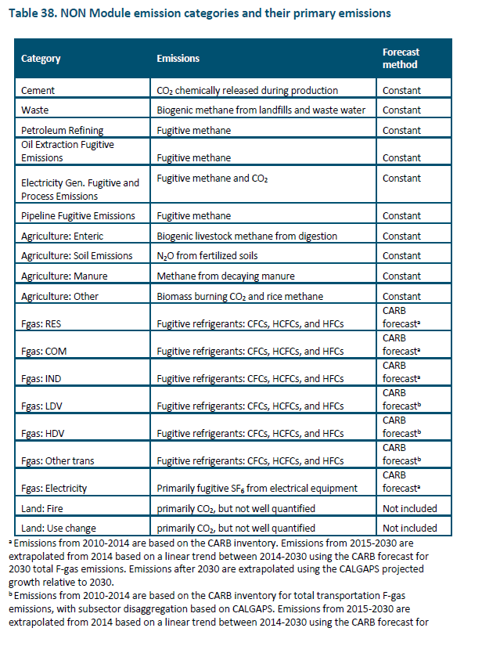

Cement
Waste
Petroleum Refining
Oil and Gas extraction
Electricity generation - fugitive and process
Pipeline Fugitive
Agriculture - Enteric
Agriculture - Soil Emissions
Agriculture - Manure
Agriculture - Other
Fgas: Res
Fgas: COM
Fgas: IND
Fgas: LDV
Fgas: HDV
Fgas: Other Trans
Fgas: Electricity

